JIRA Roadmap S1
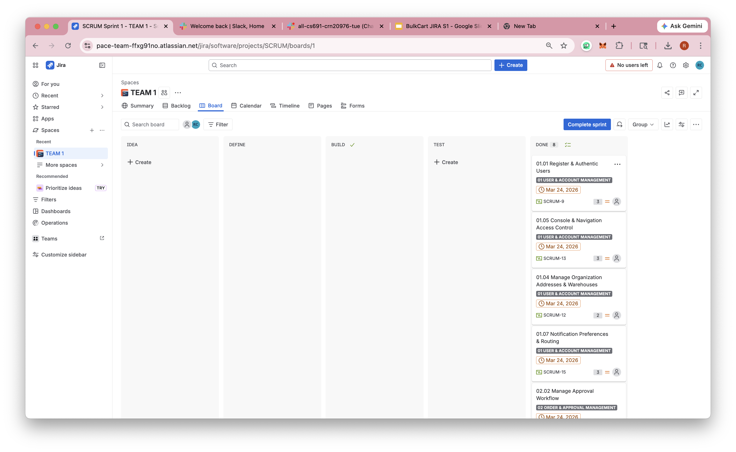
Timeline/Roadmap View: Months
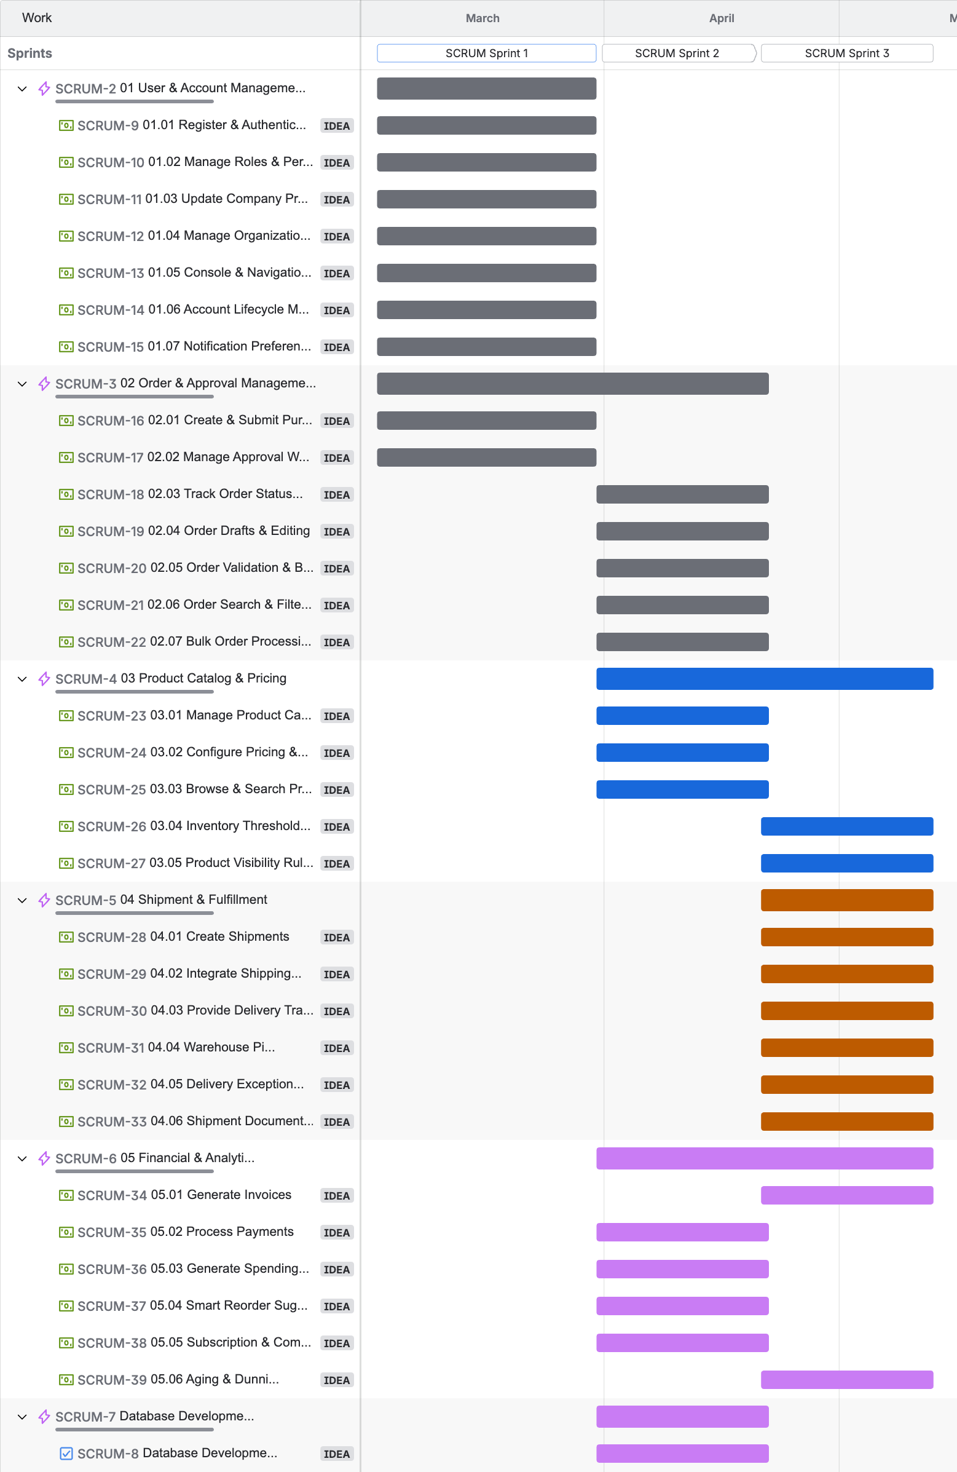

Timeline/Roadmap View: Weeks

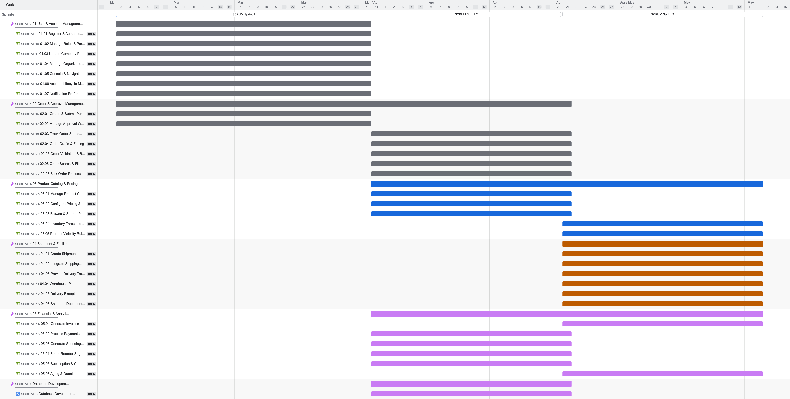

Kanban Board

JIRA Roadmap S2
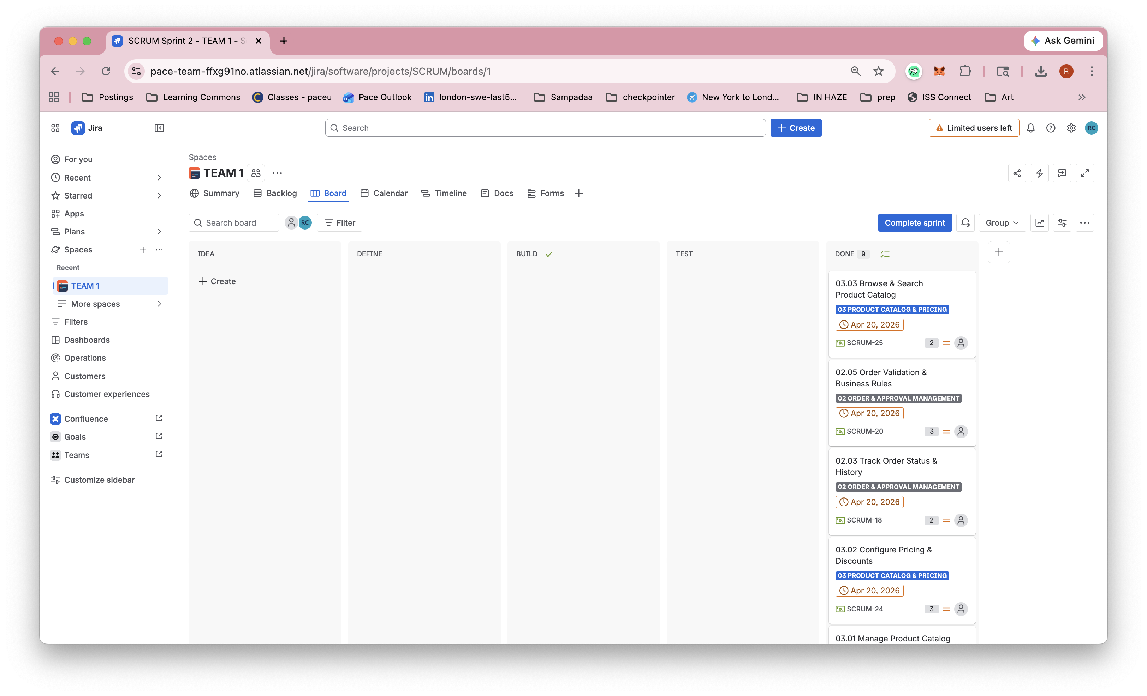
Timeline/Roadmap View: Months

Timeline/Roadmap View: Weeks

Kanban Board

JIRA Roadmap S3
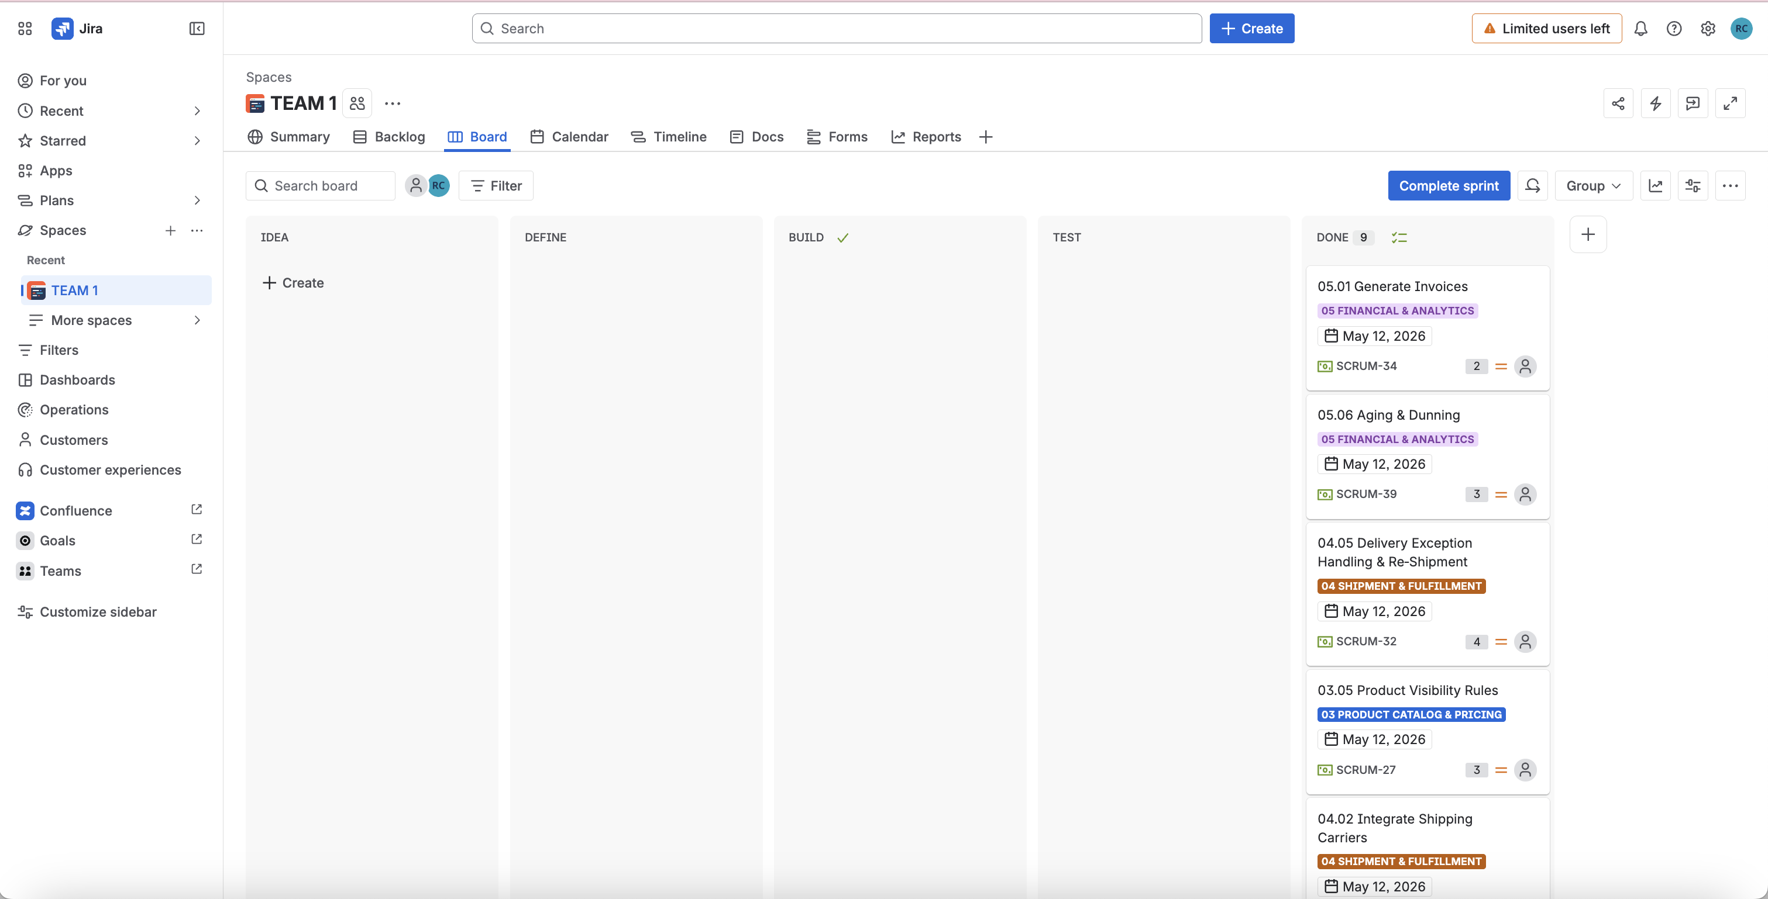
Timeline/Roadmap View: Months

Timeline/Roadmap View: Weeks

Kanban Board

